Biodiversity
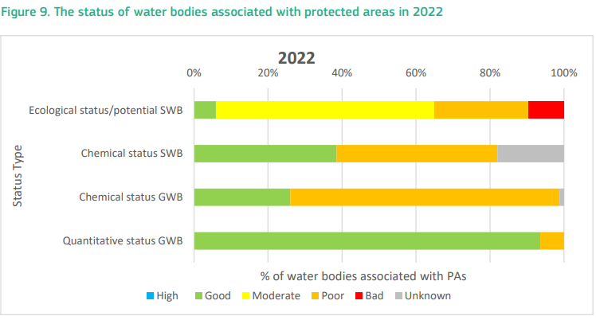
EU Biodiversity Strategy

Currently, 21.9% of Czechia’s terrestrial territory is designated as protected areas, slightly below the EU value of 26.4%. The EU Biodiversity Strategy has set a target of reaching 30% protected area coverage at the EU level by 2030 | https://water.europa.eu/freshwater/resources/metadata/wfd-dashboards/surface-water-bodies-ecological-status-or-potential-by-category-chart

Protected areas per type of area and associated water body (CZ, 2021) | Number of Water Bodies Associated with protected areas in
Protected area type | Rivers | Lakes | Groundwater
Bathing waters | 74 | 26
Drinking water protection area | 341 | 32 | 165
Other protected habitat sites | 683 | 34 | 125

